Specification
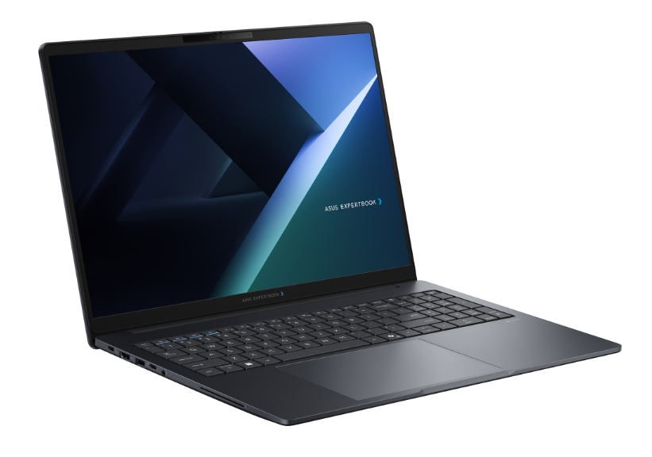

Part No | 90NX0A11-M00750
Sales Model Name | B3605CAA-MB0207X
EAN Code | 4711636584425
UPC Code | 199291584426
WEEE | 1.403
BASE UNIT | VSNX0A11-BU2005

Operating System | Windows 11 Pro
Office | 1-month trial for new Microsoft 365 customers. Credit card required.
LCD cover-material | Aluminum
LCD cover-color | Gentle Grey
Top case-material | Plastic
Top case-color | Gentle Grey
Bottom case-material | Plastic
Bottom case-color | Gentle Grey
Military grade | US MIL STD 810H military grade standard (24 procedures)
Panel Size | 16.0-inch
Brightness | 300nits
Resolution | WUXGA (1920 x 1200) 16:10
Glare | Anti-glare display
Color gamut | NTSC: 45%
View angle(H/V) | 178/178
Response time(Typ/Max) (ms) | 25/30
Refresh rate | 60Hz
Contrast (Typ) | 1000:1
Touch Panel | Non-touch screen
Screen-to-body ratio | 85 %
IPS-level | Wide view
Processor | Intel® Core™ Ultra 5 Processor 325 2.1 GHz (12MB Cache, up to 4.5 GHz, 8 Cores, 8 Threads); Intel® AI Boost NPU up to 47 TOPS
Neural processor | Intel® AI Boost NPU
Chipset | N/A
Discrete/Share | Share
Integrated GPU | Intel® Graphics
VRAM | N/A
Expansion Slot(includes used) | 2x DDR5 SO-DIMM slots 1x M.2 2280 PCle 4.0/5.0x4 1x M.2 2230 PCIe 4.0x4
DIMM Memory | 16GB DDR5 SO-DIMM
Total System Memory | DDR5 16GB
Storage | 512GB M.2 2280 NVMe™ PCIe® 4.0 SSD SSD Housing for storage expansion
Front-facing camera | 1080p FHD camera with IR function to support Windows Hello With privacy shutter
Wireless | Wi-Fi 7(802.11be) (Triple band) 2*2 + Bluetooth® 6.0 Wireless Card
NumberPad | N/A
FingerPrint | FingerPrint
Keyboard type | Backlit Chiclet Keyboard with Num-key
Keyboard language | Ukrainian
I/O ports | 1x USB 3.2 Gen 2 Type-C support display / power delivery 2x USB 3.2 Gen 1 Type-A 1x Thunderbolt™ 4, compliant with USB4, support display / power delivery 1x HDMI 2.1 TMDS 1x 3.5mm Combo Audio Jack 1x RJ45 Gigabit Ethernet Micro SD card reader
Audio | Audio by Dirac Built-in speaker Built-in array microphone
Battery | 63WHrs, 3S1P, 3-cell Li-ion
AC Adapter | TYPE-C, 65W AC Adapter, Output: 20V DC, 3.25A, 65W, Input: 100~240V AC 50/60Hz universal (Adapter+power cord)
Required charging power | Min: 55W Max: 65W *The indicated wattage is for demonstrating the system’s support capability as required by EU regulations. For optimal system performance, please use the standard-wattage adapter or higher.
Dimension (WxHxD) | 33.23 x 20.20 x 1.05 ~ 1.90 cm (13.08" x 7.95" x 0.41" ~ 0.75")
Starting Weight (with Battery) | 1.86 kg (4.10 lbs)
Starting Weight (w/o Battery) | 1.63 kg (3.59 lbs)
Security | Fingerprint sensor integrated with Power Key Kensington Nano Security Slot™(6x 2.5mm) Microsoft Security Level 3 Intel® BIOS Guard Enhanced Password Strength BIOS Integrity Measurement Support BIOS Booting User Password Protection CSME BIOS Redundancy Assistance HDD User Password Protection and Security Trusted Platform Module (TPM) 2.0 BIOS setup user password Intel® Boot Guard Microsoft Secured-core PC Support Absolute Persistence 2.0 (Computrace) BIOS Self Recovery Intel CSME Firmware Resilience ASUS ExpertGurdian with NIST SP 800 193 compliance N/A
Antivirus | McAfee® 30 days free trial
MyASUS feature | System diagnosis Battery health charging Fan Profile Splendid Tru2Life Function key lock WiFi SmartConnect AppDeals Link to MyASUS
MyExpert Features | Knowledge Hub Advanced Tool ExpertMeet(All) File Search SafeGuard Backup(Dual SSD, additional purchase before shipment)
Built-in Apps | AI ExpertMeet (AI features need devices with 12GB RAM or more) MyASUS
Disclaimer for Built-in Apps | Built-in Apps vary from OS SKU. *MyASUS/McAfee don't support in Clean Build/without OS/G sku/Win SE/Windows on ARM/Linux OS (ex. Endless, Kylin, Ubuntu)
Reparability Index (for Belgium) | 09.5
Reparability Index (for France) | 09.9
Ecolabels & Compliances | EPEAT Gold with Climate+ Energy star 9.0 FSC Recycled REACH RoHS TCO Certified
Base Warranty | 1Y Carry-In
Recommended Warranty Package Part number//Extension and/or upgrade service from base warranty | *If you would like to know the details, please contact your sales teams.
Battery warranty | Commercial NB B series Battery warranty follow system warranty, 4Y-5Y by WEP option.
Sustainable Material_Top cover(A part) | 30% PCR recycled plastic(cover or inner frame) 30% PIR recycled aluminum
Sustainable Material_Keyboard frame (C part) | 30% PCR recycled plastic(cover or inner frame)
Sustainable Material_Bottom cover (D part) | 30% PCR recycled plastic(cover or inner frame)
Sustainable Material_Battery | 30% PCR recycled plastic
Sustainable Material_Keyboard | 50% PCR recycled plastic cap
Sustainable Material_Speaker | 45% PCR + 5% OBP PCR recycled plastic enclosure
Sustainable Material_Total PCR recycled plastic | 27%

